Dashboard
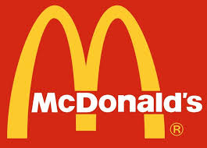
Mcdonald's Sales Dashboard


sales by category
 | Total
Fries | $2,472.63
Burger | $21,736.73
Sales by category and months
 | January | February | March
Fries | $845.04 | $748.47 | $879.12
Burger | $7,499.27 | $6,966.21 | $7,271.25
Order volume by hours
 | Total
10 | 3
11 | 244
12 | 607
13 | 589
14 | 373
15 | 275
16 | 401
17 | 491
18 | 464
19 | 387
20 | 334
21 | 211
22 | 113
23 | 2
Total revenue generated $691.56

Items per order
2.40

Most frequently ordered item Big Mac
Top 5 menu items
 | Total
Quarter Pounder with Cheese | $4,053.63
Angus Third Pounder | $3,939.07
Bulgogi Burger | $3,861.55
Big Mac | $3,779.69
Bacon Clubhouse Burger | $2,502.42
Sales on type of day
 | Total
Weekday | 17267.99
Weekend | 6941.37
Sales on days of weeks
 | Total
Sunday | $3,563.36
Monday | $3,826.75
Tuesday | $3,546.35
Wednesday | $3,015.43
Thursday | $3,294.51
Friday | $3,584.95
Saturday | $3,378.01

total orders placed 57

